Monitoring Points Map 2015
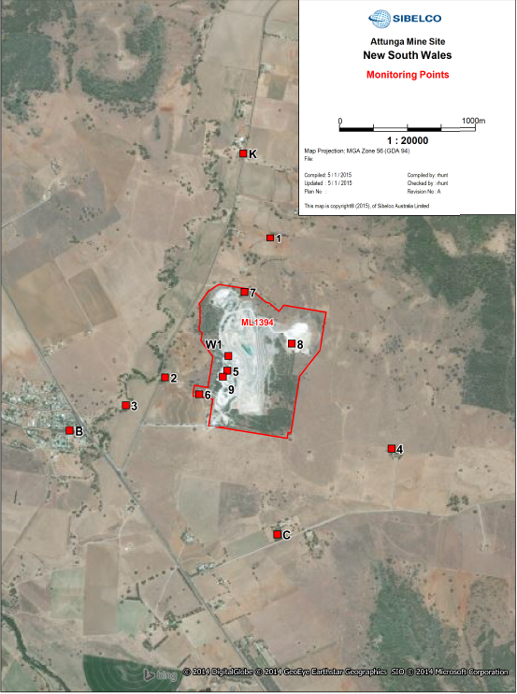

EPA Identification Number | Receiver | Name of monitoring Point | Coordinates |  | Comments
 |  |  | South | East
1 | Dust Deposition | Wiseman's House | 30 55' 00.60" | 150 51' 30.79" | Re-took Coordinates 5/1/15
2 | Dust Deposition | Garthowen Road | 30 55' 33.88" | 150 51' 10.59" | Re-took Coordinates 5/1/15
3 | Dust Deposition | Attunga Town | 30 55' 40.51" | 150 50' 59.66" | Re-took Coordinates 5/1/15 - Moved
4 | Dust Deposition | Dumball House | 30 55' 50.94" | 150 52' 13.55" | Re-took coordinates 5/1/15
5 | Air Monitoring | Kiln Stack | 30 55'32.33" | 150 51' 27.86"
6 | Water Monitoring | Sediment Dam 5 | 30 55' 37.91" | 150 51' 20.06"
7 | Water Monitoring | Sediment Dam 7 | 30 55' 13.61" | 150 51' 32.66"
8 | Water Monitoring | Bore No. BL 249320 | 30 55' 25.86" | 150 51' 45.79"
9 | Air Monitoring | Hydration Plant | 30 55' 33.73" | 150 51' 26.63"
B | Noise Monitoring | Attunga Street | 30 55' 46.68" | 150 50' 44.03"
C | Noise Monitoring and Blast monitoring | Inlet Road | 30 56' 11.40" | 150 51' 41.80"
K | Noise Monitoring | Wisemans Residence | 30 54' 40.64" | 150 51" 32.33"
W1 | Weather Analysis | Weather Station | 30 55' 28.82" | 150 51' 28.16"

